IK & FWK_OLD
https://automaticaddison.com/how-to-find-the-rotation-matrices-for-robotic-arms/

If an axis in one frame points in the same direction as an axis in another frame, we put in a 1 in that cell of the matrix.
If an axis in one frame points in the opposite direction as an axis in another frame, we put a -1 in that cell of the matrix. |  |  |  |  |  |  |  |  |  |  |  |  |  |  |  |  |  | Change the θi input (in radiant) to see the changing orientations of the vectors of frame 5 over frame 0
If an axis in one frame is perpendicular to an axis in another frame, we put a 0 in that cell of the matrix.

Matrice verification || ex : (=RACINE((H10)^2+(I10)^2+(J10)^2) |  |  |  |  | Rotation matrix frame 1 to frame 0 (rot_mat_0_1) |  |  |  | Matrice verification | Yaw for joint 1 |  |  | Matrice verification | rot_mat_0_1 (automatic) |  |  | Matrice verification | Joint i | θi (deg) | αi (deg) | ai / ri (cm) | di (cm) | joint i | θi | αi | ai / ri (cm) | di (cm)
 |  |  |  |  |  | x1 | y1 | z1 |  |  |  |  |  |  |  |  |  | 1 | -90 | 90 | 0 | 28 | 1 | -1.5707963268 | 1.5707963268 | 0 | 28
 |  |  |  |  | x0 | 0 | 0 | -1 | 1 | 0 | 1 | 0 | 1 | -1 | 0 | 0 | 1 | 2 | 90 | 180 | 16.2 | 0 | 2 | 1.5707963268 | 3.1415926536 | 16.2 | 0
 |  |  |  |  | y0 | -1 | 0 | 0 | 1 | -1 | 0 | 0 | 1 | 0 | 0 | 1 | 1 | 3 | 0 | 180 | 16.2 | 0 | 3 | 0 | 3.1415926536 | 16.2 | 0
 |  |  |  |  | z0 | 0 | 1 | 0 | 1 | 0 | 0 | 1 | 1 | 0 | 1 | 0 | 1 | 4 | 90 | 90 | 0 | 0 | 4 | 1.5707963268 | 1.5707963268 | 0 | 0
 |  |  |  |  |  |  |  |  |  |  |  |  |  |  |  |  |  | 5 | 0 | 0 | 0 | 15 | 5 | 0 | 0 | 0 | 15
 |  |  |  |  | Rotation matrix frame 2 to frame 1 (rot_mat_1_2) |  |  |  | Matrice verification | Yaw for joint 2 |  |  | Matrice verification | rot_mat_1_2 (automatic) |  |  | Matrice verification
Yaw (Rotation about the z-axis) |  |  |  |  |  | x2 | y2 | z2
 |  |  |  |  | x1 | 0 | 1 | 0 | 1 | 0 | -1 | 0 | 1 | -1 | 0 | 0 | 1
 |  |  |  |  | y1 | 1 | 0 | 0 | 1 | 1 | 0 | 0 | 1 | 0 | 1 | 0 | 1
 |  |  |  |  | z1 | 0 | 0 | -1 | 1 | 0 | 0 | 1 | 1 | 0 | 0 | -1 | 1 | Rotation matrix frame 5 to frame 0 (rot_mat_0_5) (automatic, final result) |  |  |  | Matrice verification

 |  |  |  |  | Rotation matrix frame 3 to frame 2 (rot_mat_2_3) |  |  |  | Matrice verification | Yaw for joint 3 |  |  | Matrice verification | rot_mat_2_3 (automatic) |  |  | Matrice verification |  | x5 | y5 | z5
 |  |  |  |  |  | x3 | y3 | z3 |  |  |  |  |  |  |  |  |  | x0 | -1 | 0 | 0 | 1
 |  |  |  |  | x2 | 1 | 0 | 0 | 1 | 1 | 0 | 0 | 1 | 1 | 0 | 0 | 1 | y0 | 0 | 1 | 0 | 1
Roll (Rotation about the x-axis) |  |  |  |  | y2 | 0 | -1 | 0 | 1 | 0 | 1 | 0 | 1 | 0 | -1 | 0 | 1 | z0 | 0 | 0 | -1 | 1
 |  |  |  |  | z2 | 0 | 0 | -1 | 1 | 0 | 0 | 1 | 1 | 0 | 0 | -1 | 1

 |  |  |  |  | Rotation matrix frame 4 to frame 3 (rot_mat_3_4) |  |  |  | Matrice verification | Yaw for joint 4 |  |  | Matrice verification | rot_mat_3_4 (automatic) |  |  | Matrice verification | Here is an exemple, θ1,2,3,4,5 = 0 (Robot is in it's origin position (position on the schematic diagram)). We can see that : x5,y0 = 1 // y5,x0 = -1 // z5,z0 = 0. If we look at the scematic diagram, the axes orientations of frame 5 over frame 0 is coherent. We know this rotation matrix is correct
 |  |  |  |  |  | x4 | y4 | z4
 |  |  |  |  | x3 | 0 | 0 | 1 | 1 | 0 | -1 | 0 | 1 | -1 | 0 | 0 | 1
 |  |  |  |  | y3 | 1 | 0 | 0 | 1 | 1 | 0 | 0 | 1 | 0 | 0 | 1 | 1
 |  |  |  |  | z3 | 0 | 1 | 0 | 1 | 0 | 0 | 1 | 1 | 0 | 1 | 0 | 1
Pitch (Rotation about the y-axis)
 |  |  |  |  | Rotation matrix frame 5 to frame 4 (rot_mat_4_5) |  |  |  | Matrice verification | Yaw for joint 5 |  |  | Matrice verification | rot_mat_4_5 (automatic) |  |  | Matrice verification
 |  |  |  |  |  | x5 | y5 | z5 |  |  |  |  |  |  |  |  |  |  | x5 | y5 | z5
 |  |  |  |  | x4 | 1 | 0 | 0 | 1 | 1 | 0 | 0 | 1 | 1 | 0 | 0 | 1 | x0 | 0 | -1 | 0
 |  |  |  |  | y4 | 0 | 1 | 0 | 1 | 0 | 1 | 0 | 1 | 0 | 1 | 0 | 1 | y0 | 1 | 0 | 0
 |  |  |  |  | z4 | 0 | 0 | 1 | 1 | 0 | 0 | 1 | 1 | 0 | 0 | 1 | 1 | z0 | 0 | 0 | 1

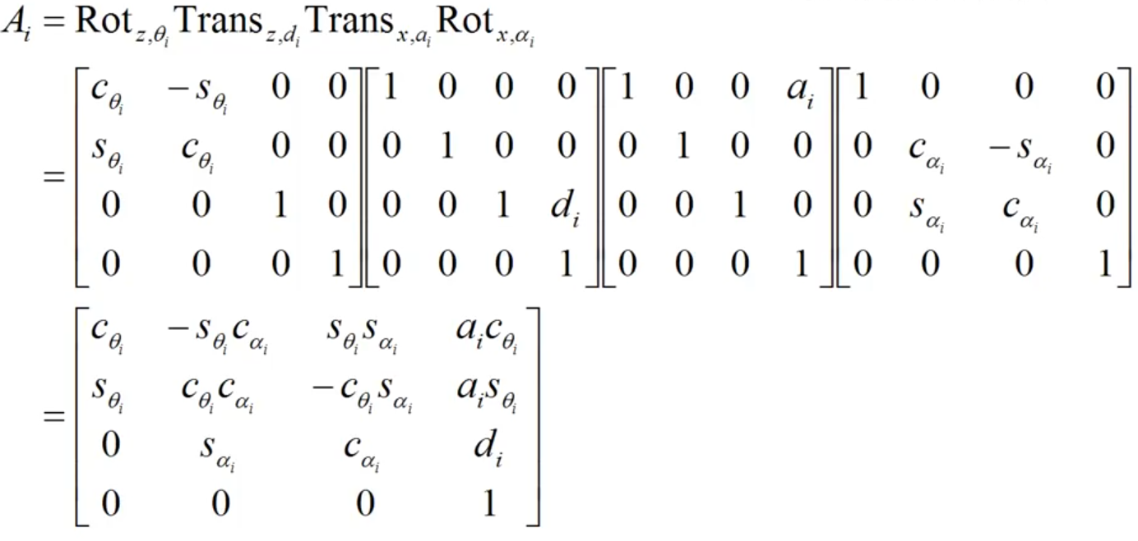
Transformation matrix_0_1

0 | 0 | -1 | 0.00
-1 | 0 | 0 | 0.00
0 | 1 | 0 | 28.00
0 | 0 | 0 | 1.00

Transformation matrix_1_2 |  |  |  | Same but θ2, α2, r2, d2

0 | 1 | 0 | 0.00
1 | 0 | 0 | 16.20
0 | 0 | -1 | 0.00
0 | 0 | 0 | 1
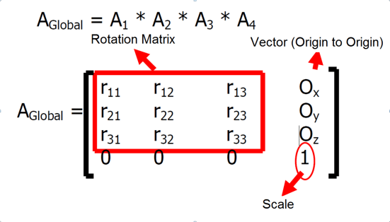
Transformation matrix_2_3 |  |  |  | Same but θ3, α3, r3, d3

1 | 0 | 0 | 16.20
0 | -1 | 0 | 0.00
0 | 0 | -1 | 0.00 |  |  |  |  |  |  |  |  |  |  |  |  |  | #DIV/0!
0 | 0 | 0 | 1

Transformation matrix_ 3_4 |  |  |  | Same but θ4, α4, r4, d4

0 | 0 | 1 | 0.00
1 | 0 | 0 | 0.00
0 | 1 | 0 | 0.00
0 | 0 | 0 | 1

Transformation matrix_4_5 |  |  |  | Same but θ5, α5, r5, d5

1 | 0 | 0 | 0.00
0 | 1 | 0 | 0.00
0 | 0 | 1 | 15.00
0 | 0 | 0 | 1

Transformation matrix_0_5 (automatic) |  |  |  | homgen_0_5 = (homgen_0_1)(homgen_1_2)(homgen_2_3)(homgen_3_4)(homgen_4_5)

0 | -1 | 0 | 0.00
1 | 0 | 0 | 0.00
0 | 0 | 1 | 75.40
0 | 0 | 0 | 1

